Burn_down_chart
Burndown Chart - UnitedTune

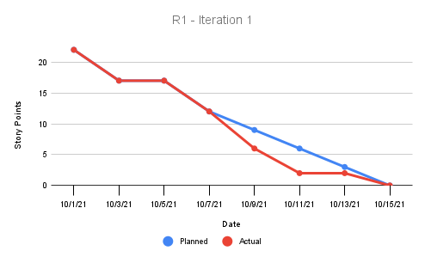

I1 | 10/1/21 | 10/3/21 | 10/5/21 | 10/7/21 | 10/9/21 | 10/11/21 | 10/13/21 | 10/15/21
Planned | 22 | 17 | 17 | 12 | 9 | 6 | 3 | 0
Actual | 22 | 17 | 17 | 12 | 6 | 2 | 2 | 0

 |  |  |  |  |  |  |  |  | k

